From Fusion 360
Item # | Thumbnail | Part Name | Description | Make/Buy | Quantity | Vendor | Vendor URL
1 | 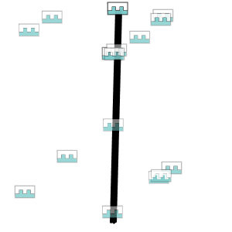 | VerticalFrame |  |  | 6
2 | 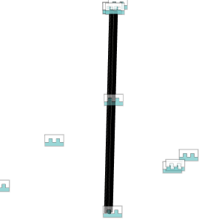 | Vertical_ZSupport |  |  | 3
3 | 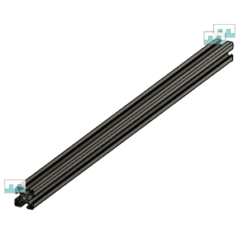 | Horizontal_Frame_X |  |  | 5
4 | 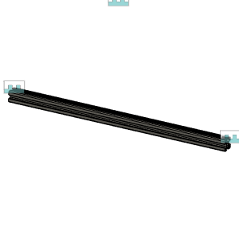 | Horizontal_Frame_Y |  |  | 8
5 | 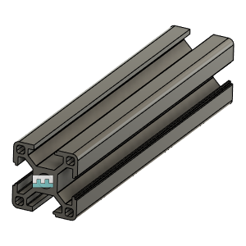 | ElecBay_Horizontal |  |  | 4
6 | 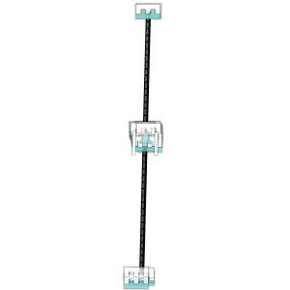 | MGN12Rail_Parametric |  |  | 3
7 | 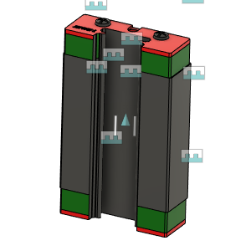 | MGN12H Block | MGN12H Block | Buy | 3
8 | 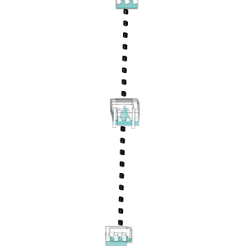 | M3X3030_TSlot_Nut v2 | Nut, TSlot - M5X3030 | Buy | 3
9 | 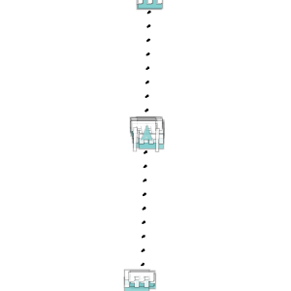 | M3X10_CapScrew_92290A115 v2 | Screw, Cap - M3X10mm | Buy | 3
10 | 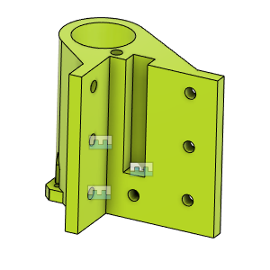 | ZR_V2.8_MotorMount_FL_Body |  |  | 1
11 | 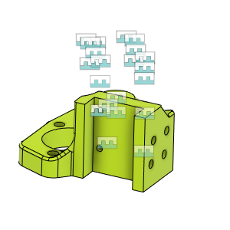 | ZR_V2.8_IGUS_SliderMount_LH_Body |  |  | 1
12 | 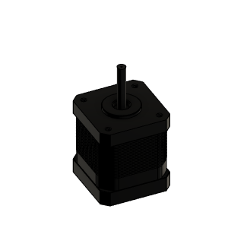 | NEMA17_E3D_High_Torque_48mm | Stepper Motor - NEMA17X48mm | Buy | 3
13 | 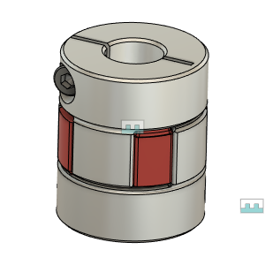 | Coupling_Spider_D25L30_5X10 |  |  | 3
14 | 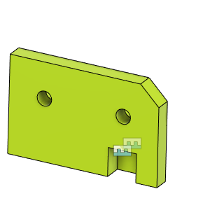 | ZR_V2.8_UpperBearing_Mount_LH_Body |  |  | 1
15 | 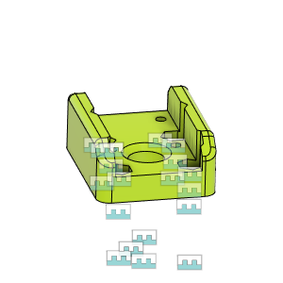 | ZR_V2.8_IGUS_BedArmRailAdapter_Body |  |  | 3
16 | 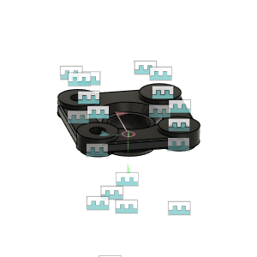 | Flange |  |  | 3
17 | 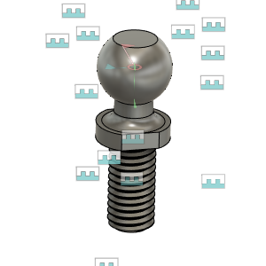 | Ball |  |  | 3
18 | 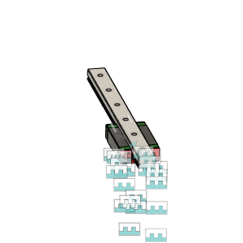 | MGN12H_150MM | MGN12 Rail with H Block | Buy | 3
19 | 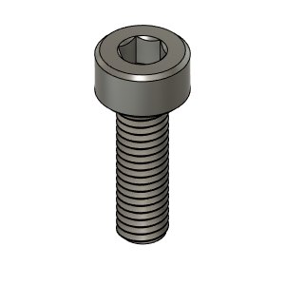 | M3X10_CapScrew_92290A115 | Screw, Cap - M3X10mm | Buy | 12
20 | 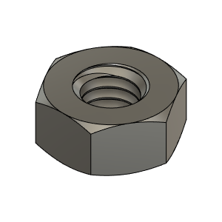 | M4_Nut_94150A335 | Nut, Hex - M4 | Buy | 12
21 | 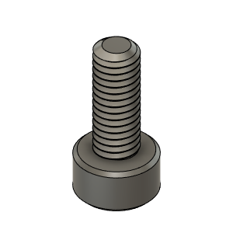 | M3X8_CapScrew_92290A113 | Screw, Cap - M3X8mm | Buy | 6
22 | 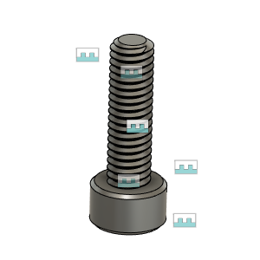 | M4X14_CapScrew_92290A150 | Screw, Cap - M4X14mm | Buy | 12
23 | 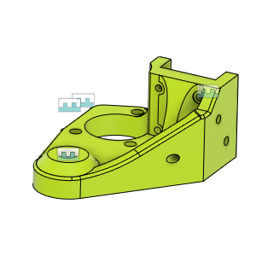 | ZR_V2.8_IGUS_SliderMount_RH_Body |  |  | 1
24 | 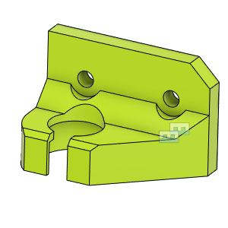 | ZR_2.8_UpperBearing_Mount_RH_Body |  |  | 1
25 | 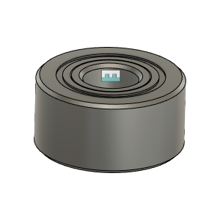 | Bearing_5201-2RS_8828T312 |  |  | 1 | AmaZon | https://amzn.to/3nDk6PD
26 | 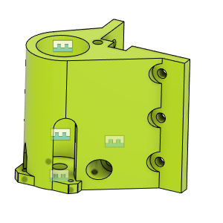 | ZR_V2.8_MotorMount_RH_Body |  |  | 1
27 | 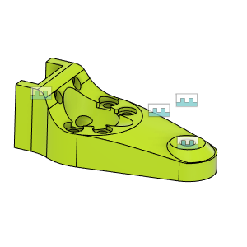 | ZR_V2.8_IGUS_SliderMount_RR_Body |  |  | 1
28 | 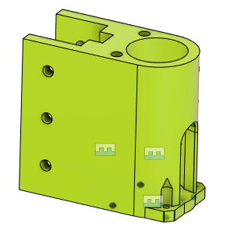 | ZR_V2.8_MotorMount_RR_Body |  |  | 1
29 | 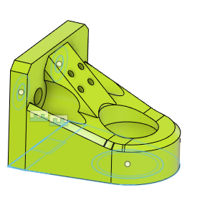 | ZR_V2.8_UpperBearing_Mount_RR_Body |  |  | 1
30 | 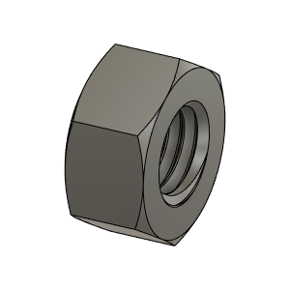 | M8X1.25_HexNut_90593A007 | Nut, Hex - M8X1.25 | Buy | 3
31 | 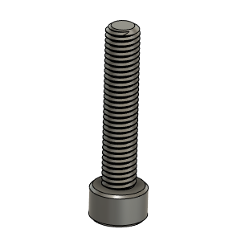 | M5X25_CapScrew_92290A252 | Screw, Cap - M5x25mm | Buy | 1

